FND-FTF #42
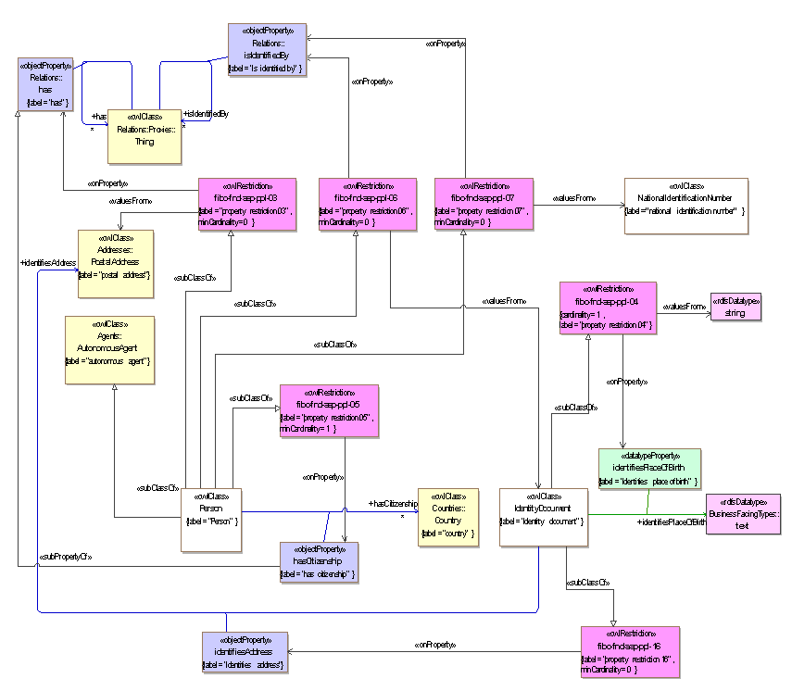
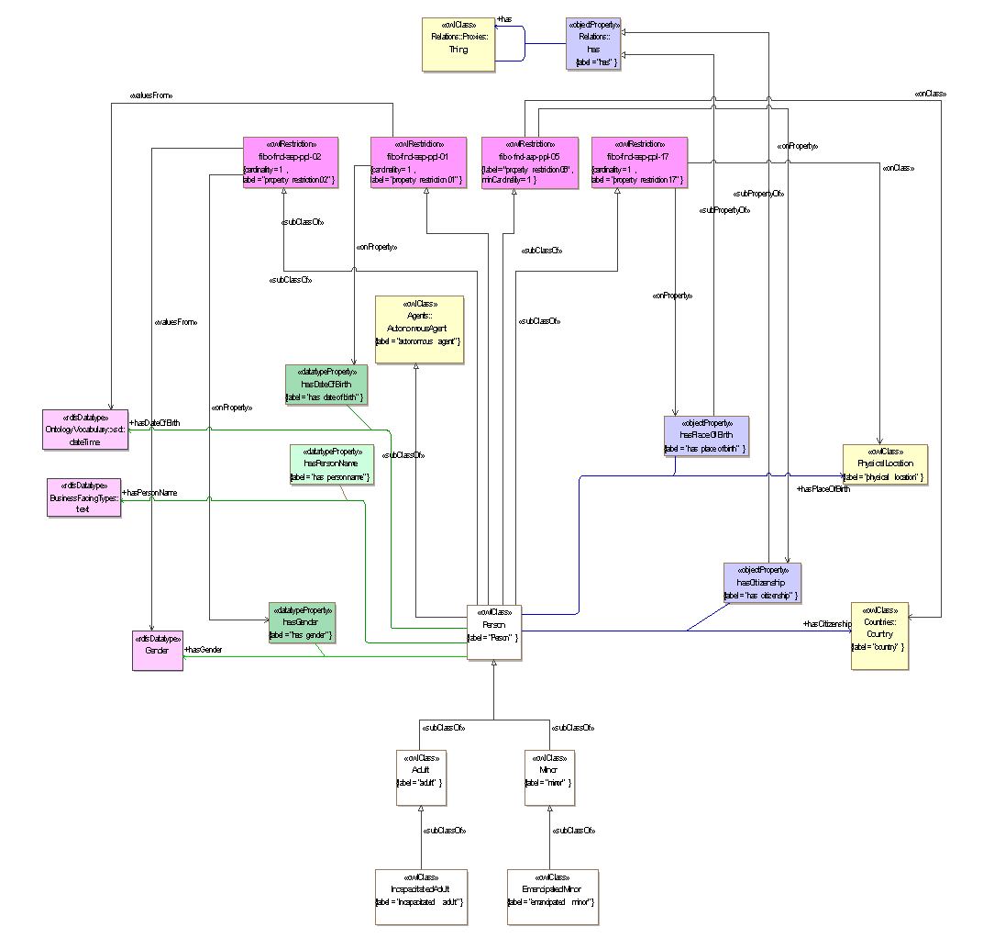
Issue Details |  |  |  | Resolution Details |  |  | Model Change Details |  |  | Model Metadata Changes |  |  | Notes
JIRA | Actual Originator | JIRA Title | Comments | Clause / Page | Figure | Wording | Ontology | Element | Model Actions | Existing skos:definition | New skos:definition | identifier (IRI) | Comments | Additional notes | Tech notes
42 | Mike Bennett | Conflation of real things with text | Places versus Text and whether one was born in a string. | 10.5.2 page 70 | 10.9 | In sub-clause 10.5.2, Figure 10.9 will have been replaced by several diagrams segregated as to subject matter. For the subject matter of Person Identification Basics, and which shows the property hasDateOfBirth, (now identifiesPlaceOfBirth), and the associated restriction fibo-fnd-aap-ppl-04, replace the material reflected in the original Figure 10.9 with the diagram shown below. | People | hasPlaceOfBirth | For the OWL object property hasPlaceOfBirth, change the domain to IdentityDocument Change the name to 'identifiesPlaceOfBirth. Change the label to identifies place of birth' and change the role name for Text, to identifiesPlaceOfBirth. Change the item IRI element (range of <<identifier>> ) to match. | links a person with their place of birth | identifies the person's place of birth as a textual element. | http://www.omg.org/spec/EDMC-FIBO/FND/AgentsAndPeople/People/identifiesPlaceOfBirth | Propose that this is moved to Identification documentation. | Implication is that what these properties refer to are not properties of people but properties of their documents. Need to reframe the names accordingly eg this one is 'identifiesPlaceOfBirth' Other than hasPLace OfBirth the remaining assertions about people are OK as they stand ie date of birth, citizenship.
 |  |  |  | 10.5.2 page 70 | 10.9 | In sub-clause 10.5.2, Figure 10.9 will have been replaced by several diagrams segregated as to subject matter. For the subject matter of Person Fundamentals, and which shows the property hasPlaceOfBirth, replace the material reflected in the original Figure 10.9 with the second class diagram shown below. |  | hasPlaceOfBirth (New) | Add a new object property called 'hasPlaceOfBirth". Use the definition from the oroginal datatype property hasPlaceOfBirth, as the definition of this new property, namely "links a person with their place of birth". Make this new property a child of the property "has". |  | links a person with their place of birth | http://www.omg.org/spec/EDMC-FIBO/FND/AgentsAndPeople/People/hasPlaceOfBirth
 |  |  |  |  | Table 10-24 | In the table 10-24 on page 73, in row 10 (hasPlaceOfBirth): replace the text in the colmn "Related Thing or Type", which reads "text", with the text "physical location"; in the column "Concept Type" delete the words "Simple Property" and replace with the words "Relationship Property". In the same table, insert a new row for "identifiesPlaceOfBirth"; in the Property column insert the text "identifies place of birth"; in the Definition column, insert the text "identifies the person's place of birth as a textual element. "; in the column for "Related Thing or Type" insert the word "text"; In the column "Concept Type" add the words "Simple Property". In Row 1 (Person) remove the text in the Parent column which says "property restriction 04" and append new text which reads "property restriction 17" In Row 29 (IdentityDocument), in the 'Parent' column, add the text "property restriction 04" Append a new row to Table 10-24, with Name = "fibo-fnd-aap-ppl-17", Type of Thing = "property restriction 17"; Definition = "Set of things that must have property "has place of birth" exactly 1 taken from "physical location"" and Concept Type = "Property Restriction". The corresponding rows of the table should look like the illustration below (subject to subsequent changes in formatting). | People | fibo-fnd-aap-ppl-04 fibo-fnd-aap-ppl-17 | For the restriction fibo-fnd-aap-ppl-04 change the subClassOf relation (of which this is the range) to have a domain of IdentityDocument where previously it had Person. Add a new property restriciton fibo-fnd-aap-ppl-17. Create an onProperty relation to "hasPlaceOfBirth"; create an onClass relation to "PhysicalLocation". Set cardinality = "1". |  |  |  | ALSO: Replace the relation "valuesFrom" with a new relation "onDataRange", still with a range of 'string' (this is in response to a separate issue) This could not be done at present since the ondataRange relation is not available .Therefore the diagram shown here will differ from what is needed in the final model, for property restriction 04
 |  |  |  |  |  | 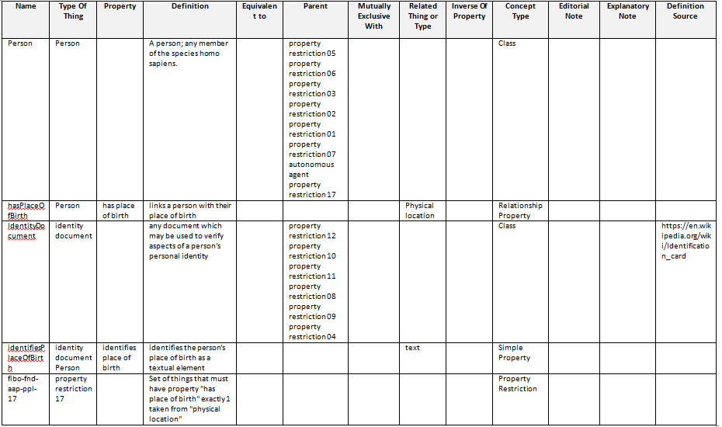

FND-FTF #43
Issue Details |  |  |  | Resolution Details |  |  | Model Change Details |  |  |  |  | Notes
JIRA | Actual Originator | JIRA Title | Comments | Clause / Page | Figure | Wording | Ontology | Element | Model Actions | Definition | IRI | Comments | Additional notes | Tech notes
43 | Mike Bennett | Incorrect cardinality in hasAddress | hasPostalAddress cardinality | 10.5.2 page 70 | 10.9 | In sub-clause 10.5.2, Figure 10.9 will have been replaced by several diagrams segregated as to subject matter. For the subject matter of Person Identification Basics, and which has the property restriction fibo-fnd-aap-ppl-03 on property 'has' and with values from PostalAddress, replace the material reflected in the original Figure 10.9 with the diagram shown below. | People | Restriction fibo-fnd-aap-ppl-03 on 'has' with valuesFrom PostalAddress | In cardinality restriction fibo-fnd-aao-ppl-03 (this is a parent of Person, is onProperty has and has valuesFrom PostalAddress): Change the cardinality from minCardinality=1 to minCardinality=0 |  |  | move these properties from Person to IdentityDocument | Was framed as a prooerty about a person but intended to be a reflection of identfity documentaiton. Now changed to reflect that it's about person, hence minCardinality = 0
 |  |  |  |  | Table 10-24 | In the table 10-24, insert a new row for a new property restriction: Name = "property restriction 16"; Tyoe of Thing = "property resrtriction 16"; Definition = ""; concept Type = Prpoperty Restriction. In the row for IdentityDpocument, in the "Parent" column, append the text "property restriction 16". The resulting parts of the table should look like the table screen shot below. |  | New property 'identifiesAddres'; Restriction fibo-fnd-aap-ppl-16 on 'identifiesAddress' with minCardinality=0 | Add new object property "identifiesAddress" with a domain of IdentityDocument and a range of Address. Add skos:definitionand IRI as per the adjacent columns here Add new cardinality restriction fibo-fnd-aap-ppl-16. Make this a parent of IdentityDocument, and create an onProperty with range of 'identifiesAddress'. Set the cardinality to minCardinality=0 | identifies the person's address as it is recorded in the identity document | http://www.omg.org/spec/EDMC-FIBO/FND/AgentsAndPeople/People/identifiesAddress |  | This identifies the property of the identifity document rather than that of the prsoon, whereas Restriction 03 is for the person's actual address. | Although the original analysis (where this was asserted for Person) called for this to be minCardinality=0, it is not the case that every types of identity document will have at least one reference to an address of the person - this intended feature was presumably intended to refer to the identitity documentation in aggregate. Without visibility of th originali analysis I would suggest this be implemented via a separate logical union or something.
 |  |  |  |  |  | 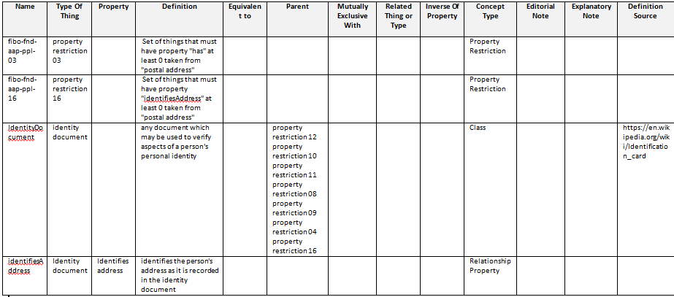

FND-FTF #130
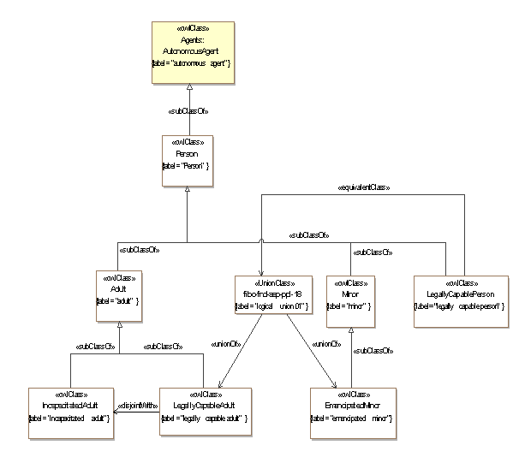
Issue Details |  |  |  | Resolution Details |  |  | Model Change Details |  |  |  |  | Notes
JIRA | Actual Originator | JIRA Title | Comments | Clause / Page | Figure | Wording | Ontology | Element | Model Actions | Definition | IRI | Comments | Additional notes | Tech notes
130 | Elisa | Need the addition of LegallyCapableAdult and LegallyCapablePerson | A legally capable adult is a missing concept, which should be a child of adult, and legally capable person should be equivalent to the union of legally capable person and emancipated minor | 10.5.2 page pp | 10.9 | In sub-clause 10.5.2, Figure 10.9 will have been replaced by several diagrams segregated as to subject matter. For the subject matter of Person Typess, and which shows the classes of Adult, Minor, EmancipatedMinor etc., replace the material reflected in the original Figure 10.9 with the diagram shown below. | People | LegallyCapableAdult | Add the class LegallyCapableAdult along with its IRI element and skos:definition element. Add a subClassOf relationship to Adult. Add a disjointWith relation to IncapacitatedAdult | a person who has attained the age of majority as defined by given jurisdiction and is allowed to conduct a business or any other occupation on his or her own behalf or for their own account | http://www.omg.org/spec/EDMC-FIBO/FND/AgentsAndPeople/People/LegallyCapableAdult
 |  |  |  |  | Table 10-24 | In Table 10-24, add rows with the content as shown in the table extract screenshot below. | People | LegallyCapablePerson | Add the class LegallyCapablePerson along with its IRI element and skos:definition element. Add a subClassOf relationship to Person. Add an OWL Union which is the union of LegallyCapableAdult and EmancipatedMinor. Add an equivalentClass relationship from LegallyCapablePerson to this union. | a person who is allowed to conduct a business or any other occupation on his or her own behalf or for their own account | http://www.omg.org/spec/EDMC-FIBO/FND/AgentsAndPeople/People/LegallyCapablePerson

FND-FTF #72
Issue Details |  |  |  | Resolution Details |  |  | Model Change Details |  |  | New metadata element(s): |  | Notes
JIRA | Actual Originator | JIRA Title | Comments | Section / Page | Figure | Wording | Ontology | Element | Model Actions | skos:definition | identifier (IRI) | Comments | Additional notes | Tech notes
72 | Dean Allemang | Add ContractParty as superClass to ContractParties | Add the parent of ContractPrincipal and CojntractCounterparty back in, This was called ContractParty | 10.8.2 page 107 (diagram 10.8.2 page 109ff (Table 10-43) | 10.17 | 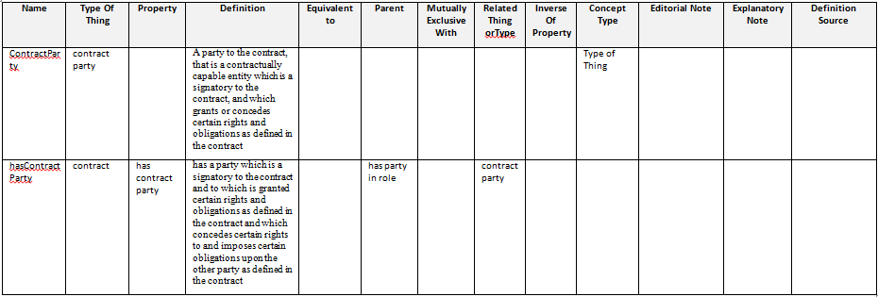 In sub-clause 10.8.2, Figure 10.17 will have been replaced by two or more diagrams segregated as to subject matter. For the subject matter of Contract related parties which includes the properties hasPrincipal, hasCounterpartyand hasThirdParty and the classes ContractPrincipal, ContractCounterparty and ContractThirdParty and associated restrictions, replace the material reflected in the original Figure 10.17 with the diagram shown below. In the table of terms and definitions (Table 10-43) which begin on page 109, append or insert the following new rows: | Contracts | ContractParty | Add OWL Class called ContractParty; make child of PartyInRole; delete subClassOf relations between both ContractPrincipal and ContractCounterparty, and PartyInRole. Make ContractPrincipal and ContractCounterparty subClassOf ContractParty. Change the valuesFrom reference of Restriction 02 (parent of Contract) from PartyInRole to ContractParty; Change the valuesFrom reference of Restriction 05 (parent of BilateralContract)from PartyInRole to ContractParty Add definition and IRI to ContractPArty | A party to the contract, that is a contractually capable entity which is a signatory to the contract, and which grants or concedes certain rights and obligations as defined in the contract. | http://www.omg.org/spec/EDMC-FIBO/FND/Agreements/Contracts/ContractParty | Requires addition of metadata for new element as well as diagram change. Requires change to Resriction 02 so that is refers to ContractParty and not PartyInRole. Also for the restriction on BilateralContract.
 |  |  |  |  | Table 10-43 | In Table 10-43 on Page 113, on Row 17 (ContractPrincipal) in the Parent column, delete the words "party in role" and replace with the words "contract party". In Table 10-43 on Page 113, on Row 19 (ContractCounterparty) in the Parent column, delete the words "party in role" and replace with the words "contract party". In Table 10-43 on Page 115, on Row 26 (hasPrincipal) in the Parent column, delete the words "has party in role" and replace with the words "has contract party". In Table 10-43 on Page 116, on Row 29 (hasCounterparty) in the Parent column, delete the words "has party in role" and replace with the words "has contract party". | Contracts | hasContractParty | Add an OWL object property called hasContractParty. Make this a child of hasPartyInRole. Delete the subPropertyOf relations from both hasPrincipal and hasCounterparty, and hasPartyInRole, and make hasPrincipal and HasCounterparty sub properties of hasContractParty. Change the onProperty relations from restriction 02 and restriction 05, to refer to hasContractParty. Add definition and IRI. | has a party which is a signatory to the contract and to which is granted certain rights and obligations as defined in the contract and which concedes certain rights to and imposes certain obligations upon the other party as defined in the contract. | http://www.omg.org/spec/EDMC-FIBO/FND/Agreements/Contracts/hasContractParty | Rationale: Addition of the class specified for this issue also requires the addition of a property directly from Contract to ContractParty, since there are direct properties for the Principal and Counterparty relations; this becomes the parent of those relations. Restrictions 02 and 05 should then also have their opProperty relations refer to the new property (that of being the party to a contract, not a party to just anything). Third Party remains unaffected (it is not a party to the contract, by definition!)

